Sheet1
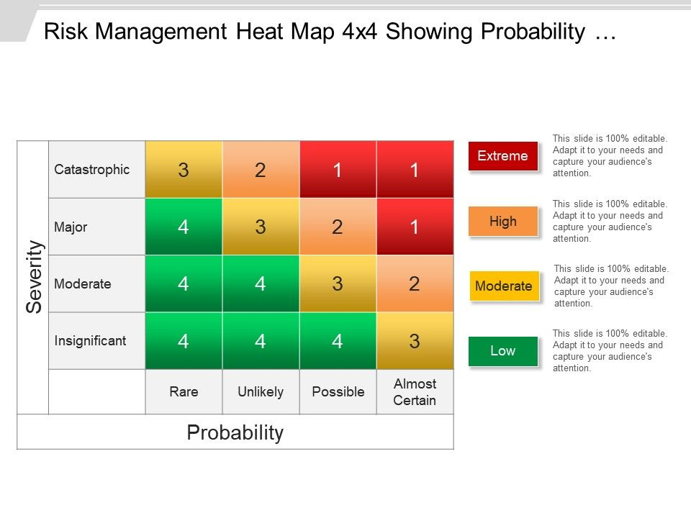
 | impact | >

severity
v

